MPBOT S
No. | Type | Electronic Component Name | Image | MPBOT S1/S2 |  | Quantity Used in Your Project
 |  |  |  | 1 Kit | 2 Kits
1 | Controller | MPC Controller | 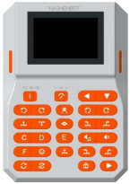 | 1 | 2
2 | Motor | Motor |  | 2 | 4
3 |  | Servo Motor | 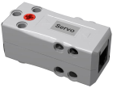 | 1 | 2
4 |  | Open-loop Motor | 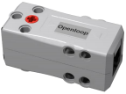 | 1 | 2
5 | Sensor | Infrared Sensor |  | 1 | 2
6 |  | Sound Sensor |  | 1 | 2
7 |  | Integrated 5-Grayscales Sensor |  | 1 | 2
8 |  | Color Sensor |  | 1 | 2
9 | Acuator | Full Color Light |  | 2 | 4
Total Quantity of Electronic Components |  |  |  | 11 | 22

Note: 1. Primary school teams should use the MPBOT S series parts list. 2. Junior middle and senior middle school teams should use the AISTEAM series parts list.

AISTEAM
No. | Type | Electronic Component Name | Image | AISTEAM 101S/205S |  | Quantity Used in Your Project
 |  |  |  | 1 Kit | 2 Kits
1 | Controller | Controller | 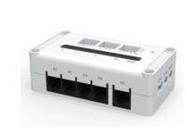 | 1 | 2
2 | Battery | Lithium Battery | 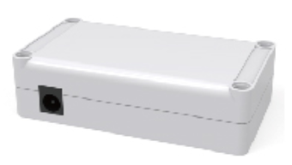 | 1 | 2
3 | Motor | Motor Expansion Module | 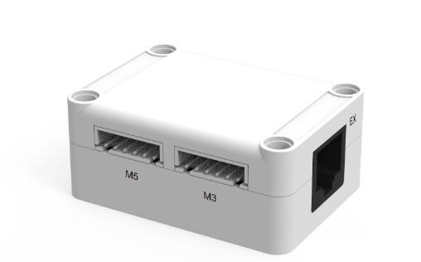 | 1 | 2
4 |  | Encoder Motor | or | 4 | 8
5 |  | Servo Motor | 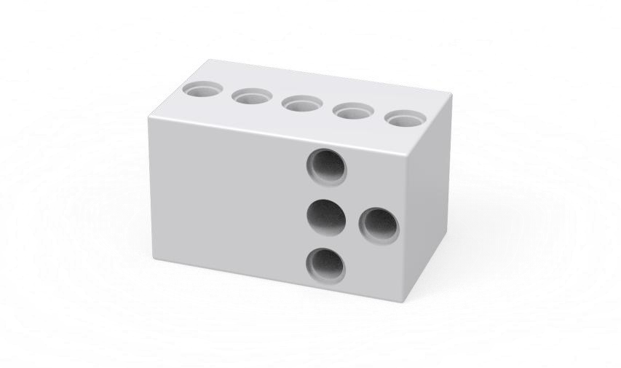 | 1 | 2
6 |  | Ordinary Motor |  | 1 | 2
7 | Sensor | Infrared Sensor | 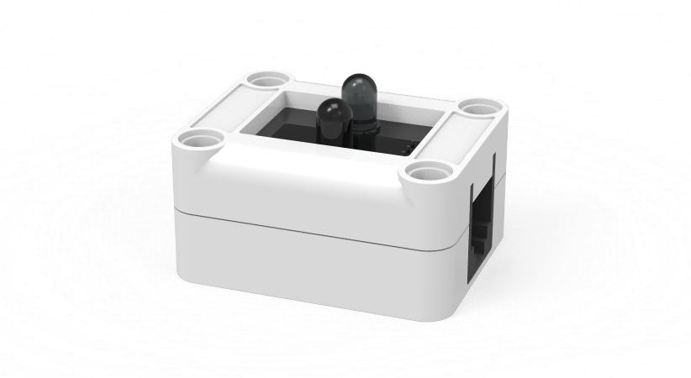 | 1 | 2
8 |  | Single-line Follower Sensor | 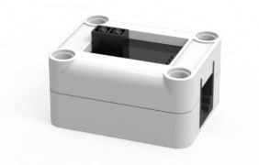 | 3 | 6
9 |  | Infrared Remote Control Module | 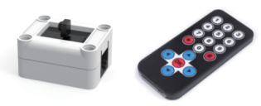 | 1 | 2
10 |  | Integrated 5-Grayscales Sensor | or | 1 | 2
11 | AI Camera | Vision Module |  | 1 | 2
12 | Actuator | Full Color Light | 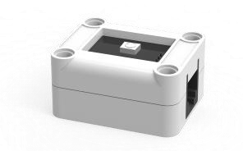 | 2 | 4
13 |  | Buzzer Module | 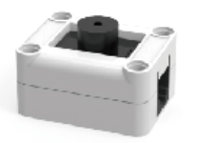 | 1 | 2
14 |  | Display Screen |  | 1 | 2
Total Quantity of Electronic Components |  |  |  | 20 | 40

Note: 1. Primary school teams should use the MPBOT S series parts list. 2. Junior middle and senior middle school teams should use the AISTEAM series parts list.

